Instructions
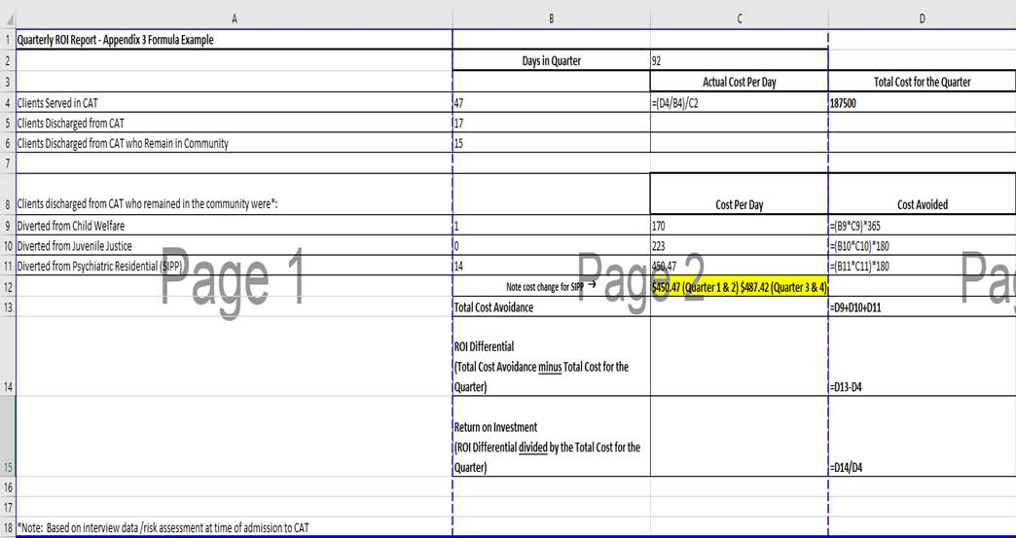
Instructions for Calculating the ROI Report
1) Days in Quarter:
Provide total number of days for the reporting quarter
2) To calculate the "Actual Cost Per Day":
Total Cost for the Quarter divided by Clients Served then divided by Days in Quarter
3) Total Cost for the Quarter:
Should be "$187,500.00"
PLEASE NOTE: $187,500.00 should be the standard cost per quarter of a $750,000.00 annual budget
4) Diverted from Child Welfare Cost Avoided:
Number diverted from Child Welfare x Cost Per Day ($170) x 365
5) Diverted from Juvenile Justice Cost Avoided:
Number diverted from Juvenile Justice x Cost Per Day ($223) x 180
6) Diverted from Psychiatric Residential (SIPP) Cost Avoided:
Number diverted from Psychiatric Residential (SIPP) x Cost Per Day ($450.47 for Q1 & Q2/$487.42 for Q3 & Q4) x 180
7) Total Cost Avoidance:
Add up Cost Avoided totals for Child Welfare, Juvenile Justice and Psychiatric Residential (SIPP)
8) ROI Differential:
Total Cost Avoidance amount minus Total Cost for the Quarter
9) Return on Investment:
ROI Differential amount divided by Total Cost for the Quarter

PLEASE NOTE THE FOLLOWING REMINDERS:
1) Providers must input "zeros" instead of simply leaving the field blank.
2) Providers must include cents.
3) For numbers that extend out beyond 2 spots after the decimal place, if the third number to the right of the decimal place is a 5, round the second number to the right of the decimal place up. For example, 1.125 would be rounded to 1.13.

Screenshot of the CAT ROI formula calculation:

